Follow up
Follow up progress of link weight check system project

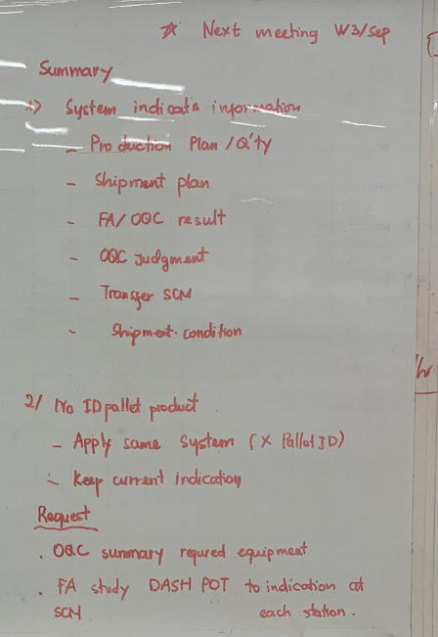
Date | No | Item | Current Situation | Section Request | PIC | Deadline | IT Solution | Situation | Remark
11-Sep-24 | 1 | Inform window person to incharge | - | OQC/FA/SCM: . Full name . Email address . Phone | OQC/FA/SCM | 13-Sep-24
 | 2 | Review require equipment | OQC: . Tablet windows: 1pcs (Connect with barcode reader) . Network: 0 FA: ? SCM: ? | OQC: . Tablet windows: 8pcs (Connect with barcode reader) . Network: 4 stations FA: ? SCM: ? | OQC/FA/SCM | 13-Sep-24
 | 3 | Details of workflow (OQC/FA/SCM) | Detail workflow current situation of process <Details> | New desired workflow <Details> | OQC/FA/SCM | 17-Sep-24
 | 4 | OQC judgment lot | Chop stamp on slip sheet for OK lot | OQC will judge lot after finish inspection all sample Q'ty regardless of whether production has ended (Lot: Change another model or finish working shift) | OQC/FA
 | 5 | Indentify 1 lot | 1 model produced on 1 line/1 shift | There is another model to insert running while current model is running => Swiching model time is counted a new lot | OQC/FA/IT
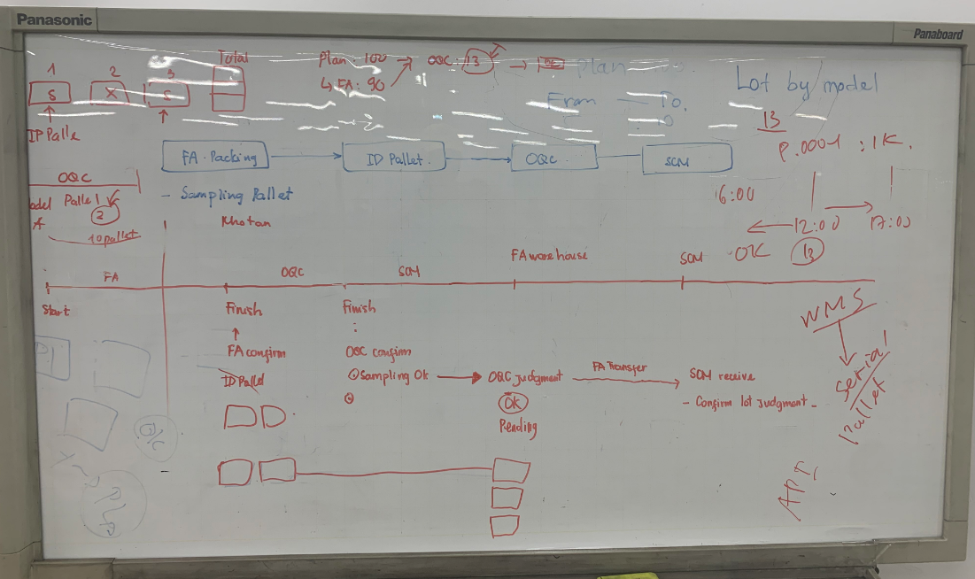
 | 6 | Abnormal production | Have 2 cases only: . Urgent shipmet . Machine trouble | OQC will separate new lot | FA/OQC
 | 7 | Model no ID pallet | Keep current indication
 | 8 | Priority shipment models | Just transfer | SCM confirm and inform to IT: IT will link system with database | IT/SCM | 17-Sep-24
 | 9 | Transfer from FA to SCM | Indentify OQC OK stamp on slip sheet | By system: Confirm on server | IT/SCM
 | 10 | FA/SCM study DASH BOARD to indicate | No indicate | Which item want to indicate => Demo indication details ? | FA/SCM/OQC | 17-Sep-24
 | 11 | Tracebility to check history | None | System can trace history | All
18-Sep-24

